Intro
Bloomberg | BQL Query of The Week: Inflation - a metric to watch this earnings season? Analysing relationship between inflation and company margin lines.

 | April 26th, 2021
 | 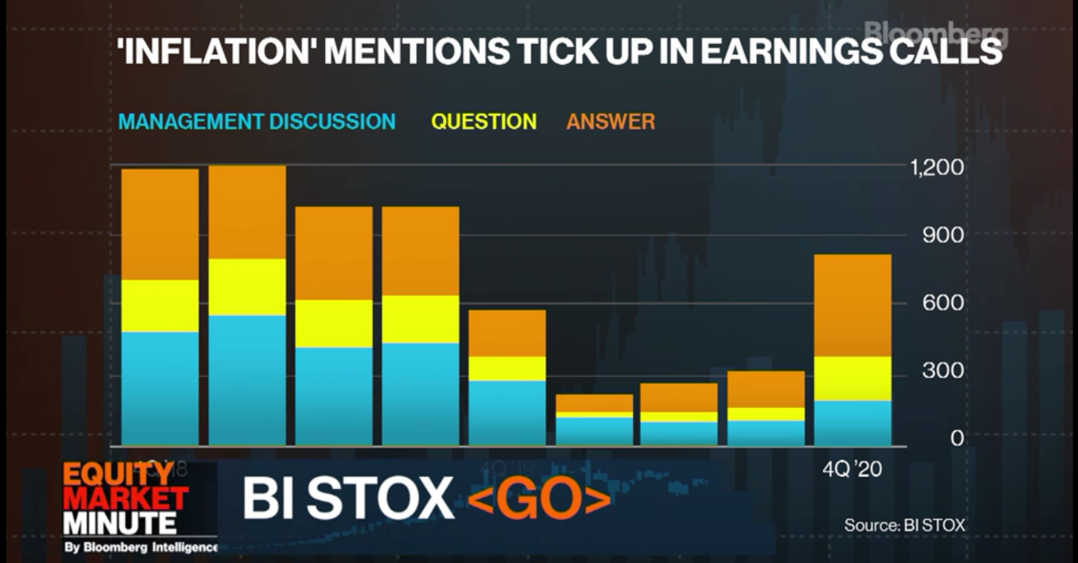 The current season S&P 500 EPS estimate is looking very promising, with a predicted 45% YoY growth in the next twelve months. Is this enough to tell us the direction of operating margins? As companies continue mentioning inflation in their earnings releases (chart below), is there a risk of inflation pressures bleeding into the company margins? The following query will help us analyse how the relationship between inflation (measured as PPI) and company margins has changed over the recent quarters.

Resources
 | Resources

Bloomberg

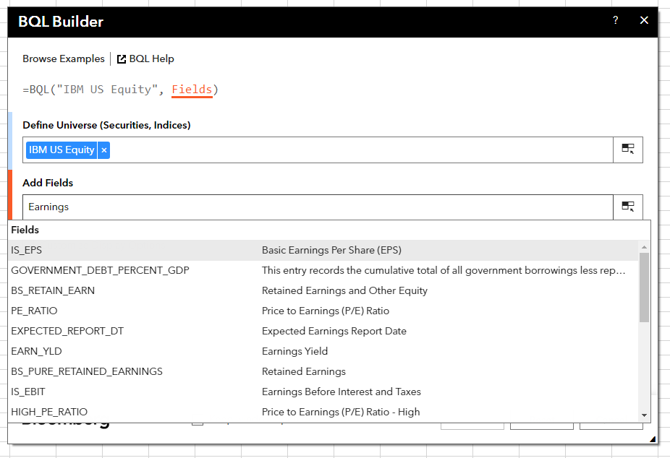
 | Bloomberg Ribbon: BQL Builder + BQL Query Editor
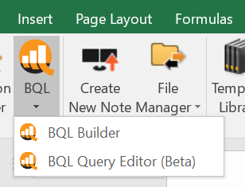

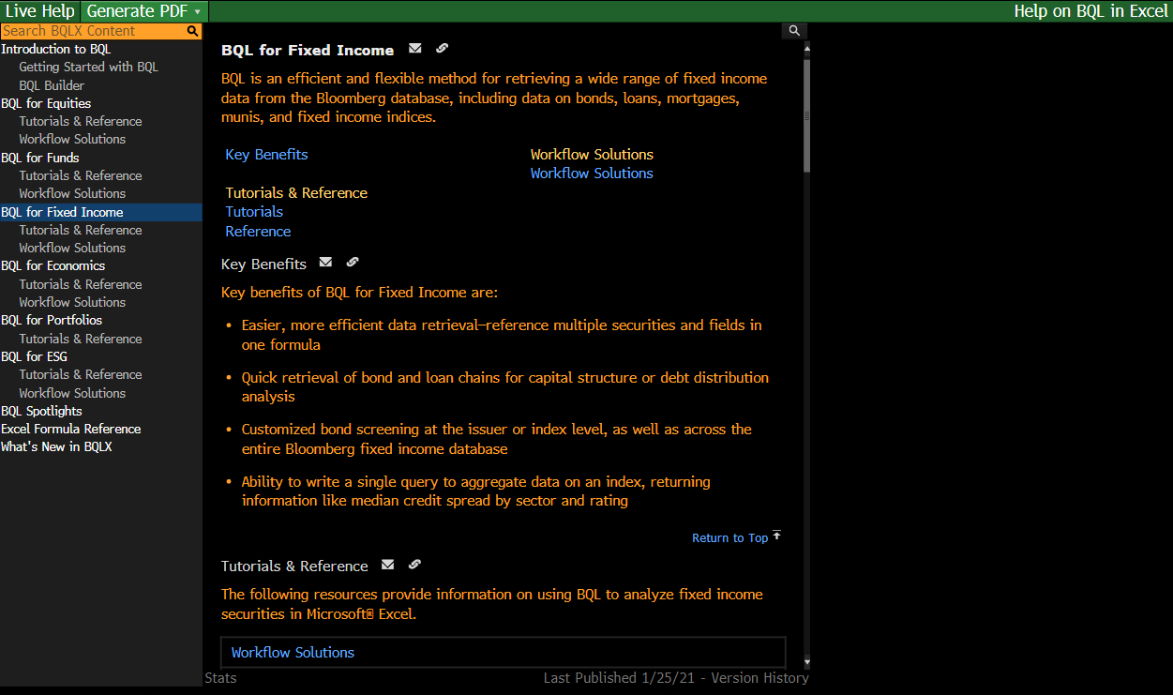
 | BQLX <GO> for HELP Page

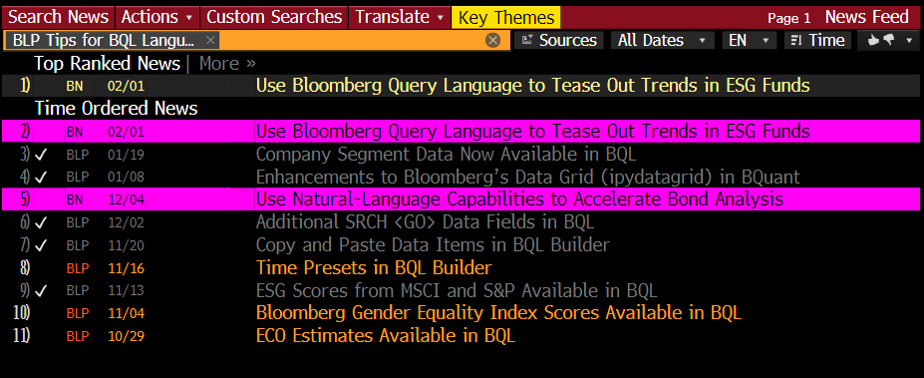
 | NI BLPBQL <GO>
 | Please subscribe it from "Actions" at the top -> Set Alert Delivery

